Directions
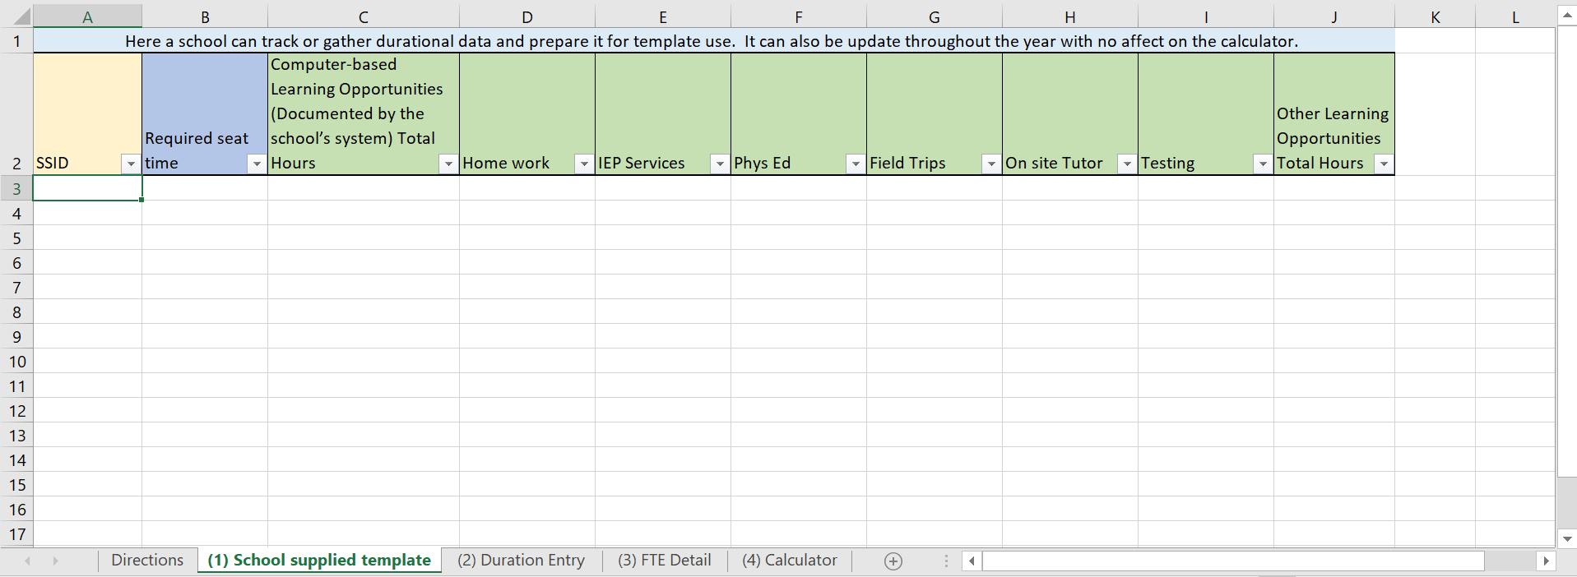
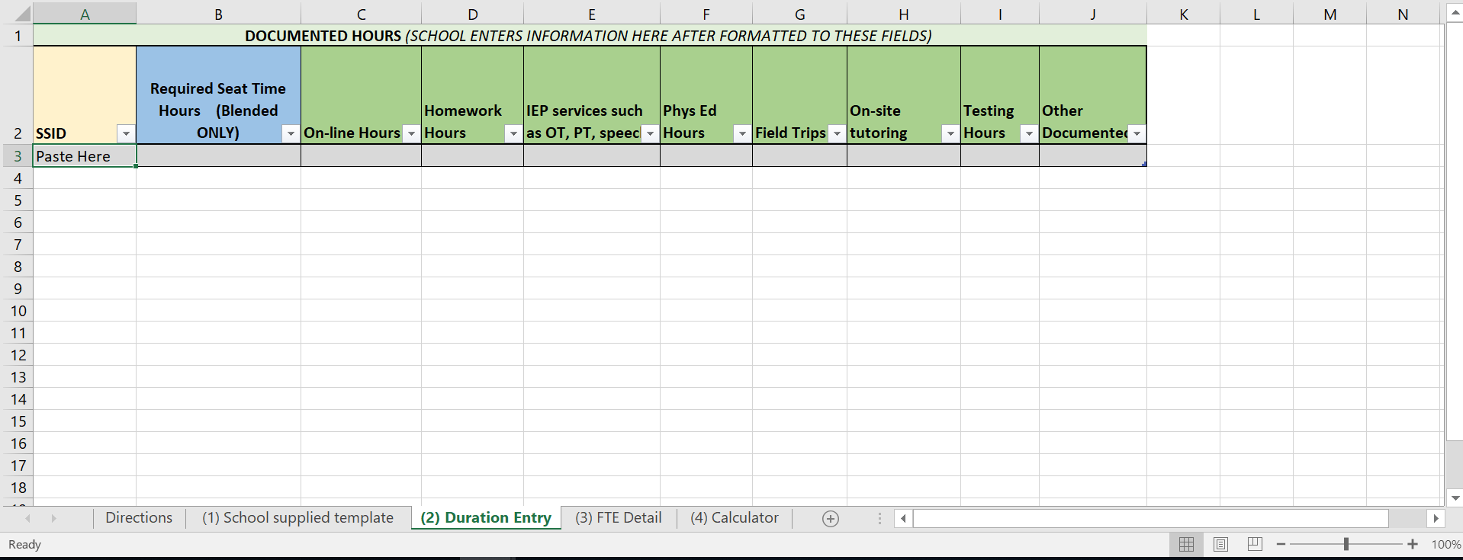
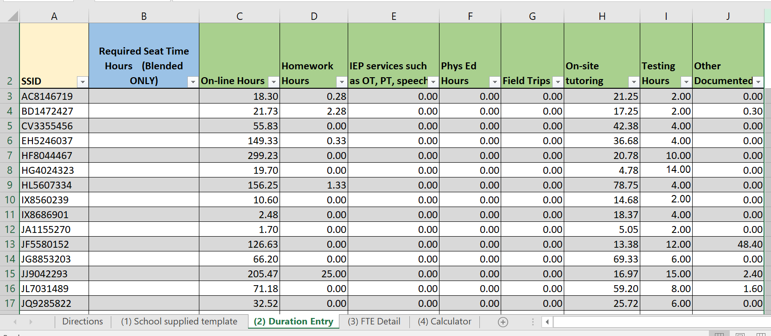
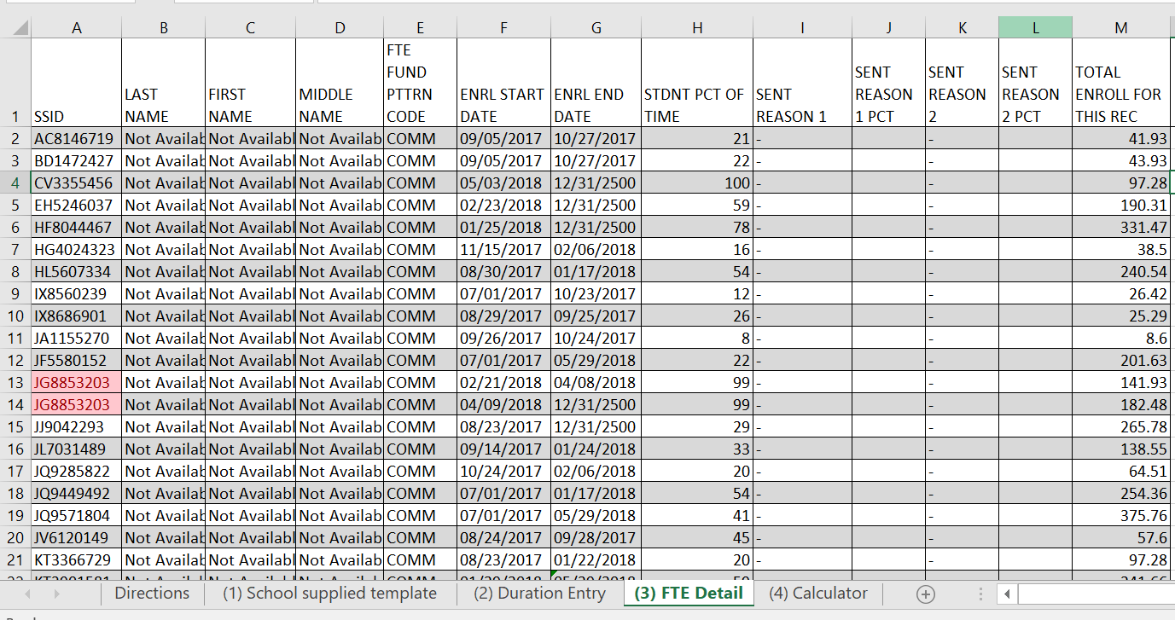
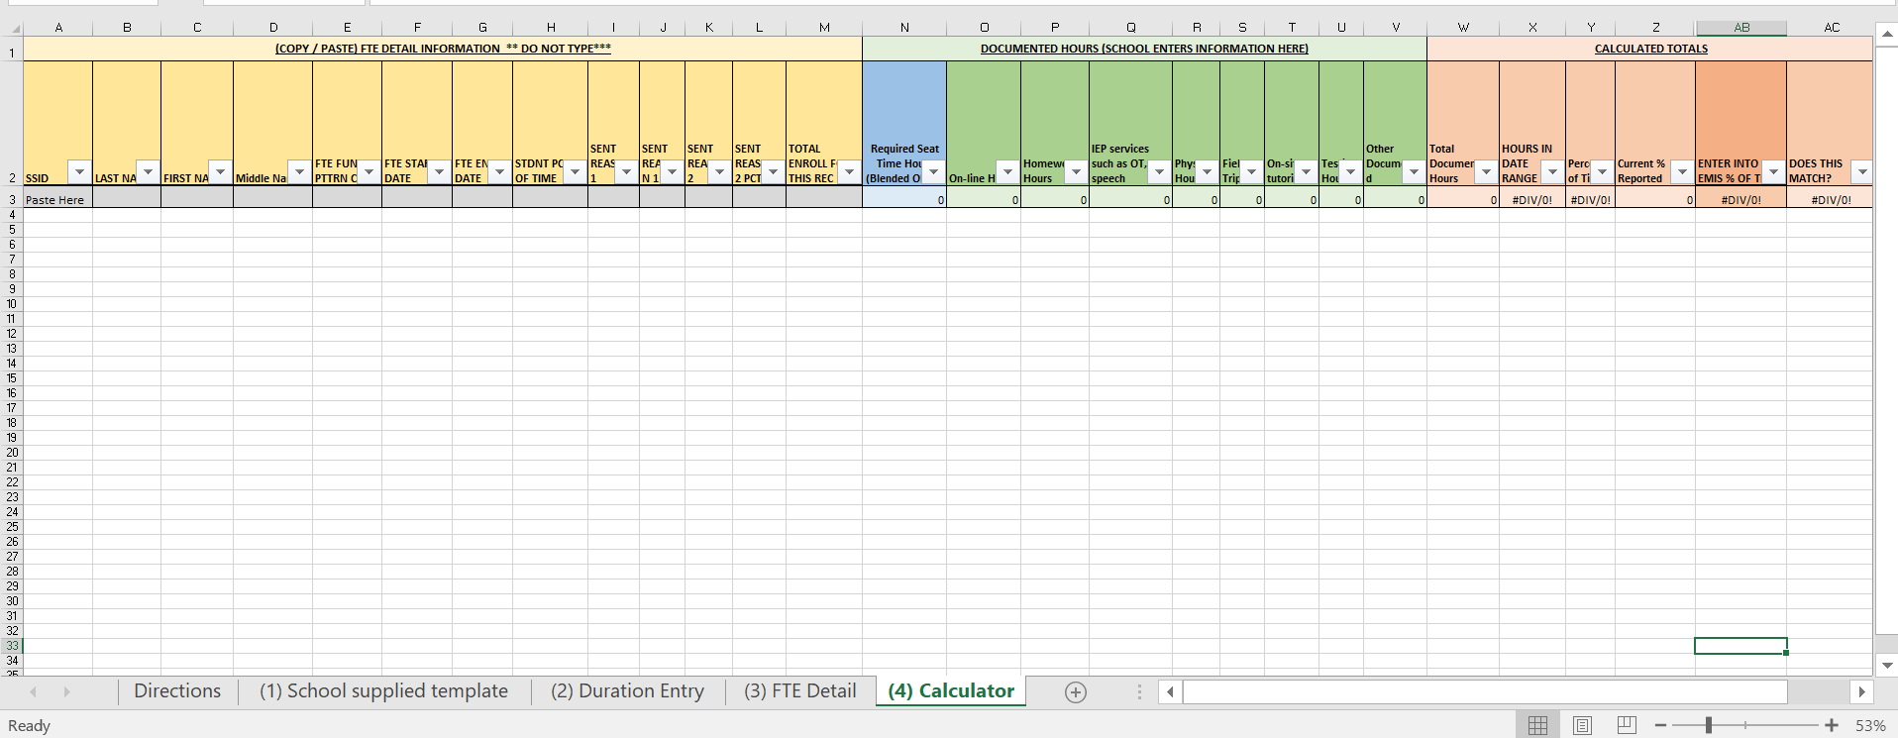
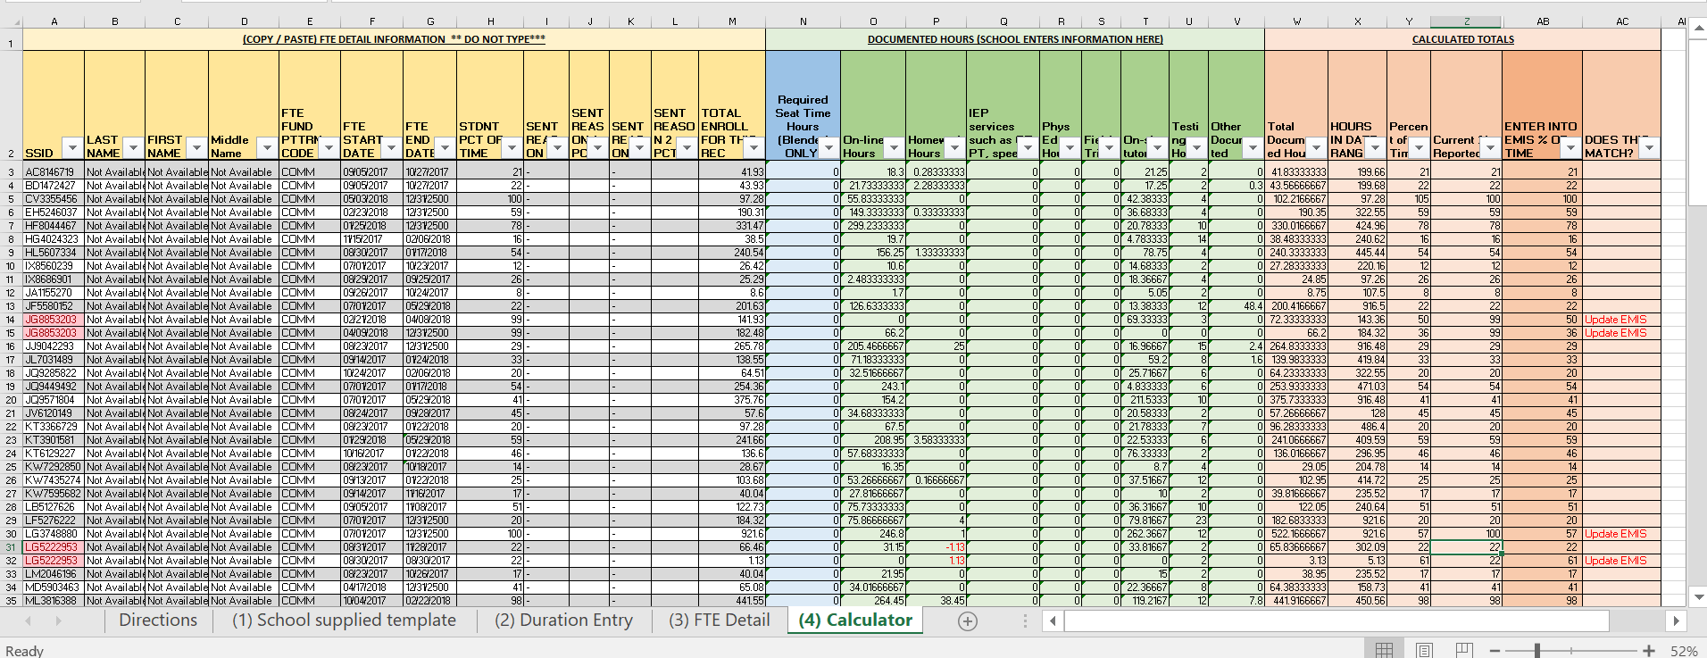
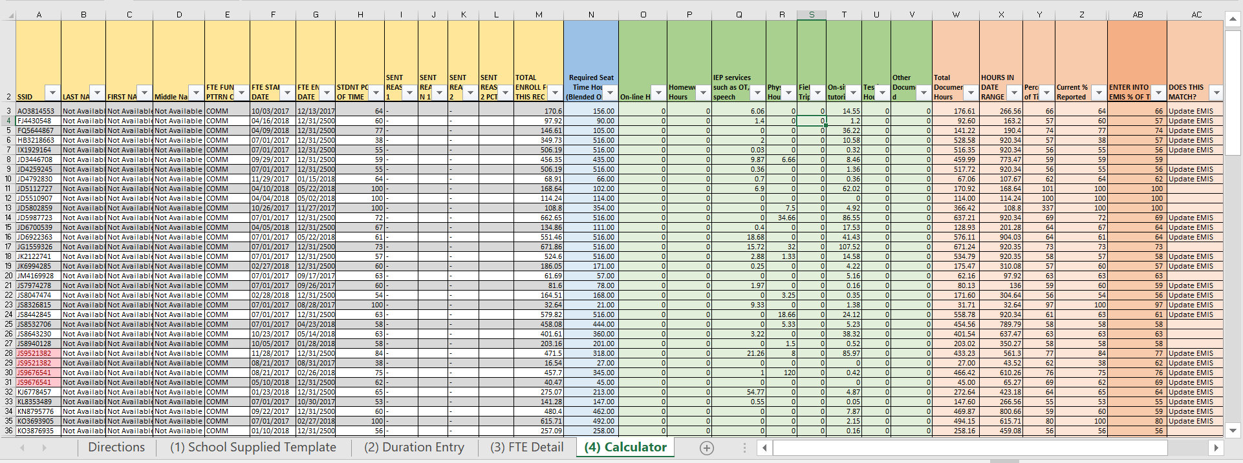
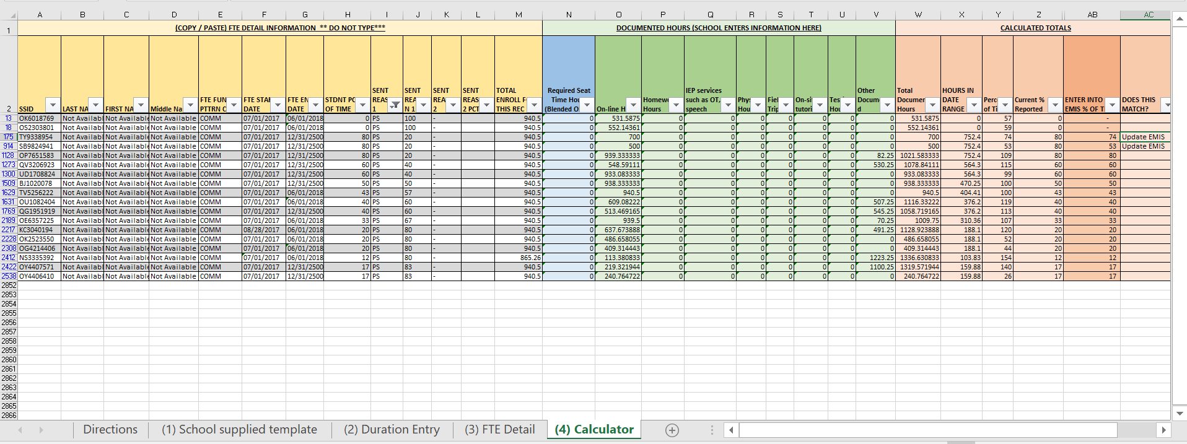
Directions for Blended School Percent of Time Template
Blended and Eschools, can choose to use the Percent of Time template if they find it useful. It will be helpful to look at the example workbook before reading these directions. Though our office is looking to develop this template further (for ease of use), it is the current tool being used to measure Total Learning Opportunity Reports against the Percent of Time being reported in EMIS. A PDF of the directions can be found Here.
This document contains the step by step directions to calculate and verify data, followed by screen shots and explanations of each tab in the workbook.
Workbook process
Compile totals for student required seat time and durational time in Tab 1 “School Supplied Template”
Do not change the number of fields; however, you may use another title.
Totals will be calculated in Tab 4.
Copy the data (not titles) from columns A – J
Select Tab 2 “Durational Entry”
Paste the copied data into A2
The table will expand to display your copied data
Run the school’s FTE Detail Report.
It is helpful to copy and paste your FTE Detail into Tab 3
Keep only these columns:
SSID, LAST NAME, FIRST NAME, MIDDLE NAME, FTE FUND PTTRN CODE, ENRL START DATE, ENRL END DATE, STDNT PCT OF TIME, SENT REASON 1, SENT REASON 1 PCT, SENT REASON 2, SENT REASON 2 PCT, TOTAL ENROLL FOR THIS REC. (See examples below)
Remove CTVC & identify CCP Records
Sort column E (“FTE FUND PTTRN CODE”), A to Z
If there are any records containing “CTVC” in Column “E” at the bottom: Delete them.
Copy the reduced data (no titles)
Select Tab 4 “Calculator”
Paste the copied reduced data from the FTE Detail into A3
The copied data will expand the table
The formulas will pull in data provided in Tab 2 in Columns N - V
The calculations and results (“Update EMIS”) notification will populate in Columns W – AC
Review the results and update data and submit accordingly
Below are descriptions of each tab and how to use them.
Tab “(1) School Supplied Template”
Blended and Eschools may utilize this tab to continuously collect and update student durational time. It is only useful in formatting the school’s data elements into a standardized format to populate Tab “(2) Durational Entry.” Blended may track hours of required seat time, while Eschools will leave this field empty.
Tab “(2) Durational Entry”
This tab is a table used to hold the student durational data. The calculator contains formulas to look for the SSIDs listed and retrieve the hours entered here. It is important to maintain the formatting in this table for the calculator to work.
Once the summation of durational times for the student body are gathered, and entered in Tab 1, select the data (minus the headers) from columns A – J, down to the bottom of
(Example – Unpopulated Table)
(Example - Populated Table)
Tab “(3) FTE Detail”
This tab useful to populate the schools current FTE Detail and format with the columns seen below, and prepare the data to copy and paste into tab “(4) Calculator.” Keeping only the columns listed below, the school will copy the information (not headers) and paste it into the calculator (Tab 4).
Tab “(4) Calculator”
This tab useful to populate the schools current FTE Detail, formatted in tab 3. Once the information is copied from Tab 3 and pasted in A3 of the Calculator, the information (if properly formatted in both the “Durational Entry” tab and the FTE Detail Columns) pasted will populate columns A – M. Columns N – V will subsequently retrieve data provided in “Durational Entry” and columns W – AC will do the calculations to reveal if the hours of duration equate to the Percent of Time reported in EMIS. (Result example at the bottom of page 4)
If properly formatted and entered, the data will appear as below. Column W is the sum of durational data provided. Column X calculates the total amount of hours available within an enrollment period. Column Y is the calculation of Percent of Time based on provided hours. Column Z pulls the value found in Column H to provide a side by side comparison of calculated vs. what is reported. Column AA (hidden) contains logic pertaining conditions around “Sent to reason” PS, and results beyond 100%, so column AB would display the correct % to be reported. Column AC will display “Update EMIS” should Columns Z and AB not match.
(Blended Example)
For students attending CCP they are expected to attend the remaining percent of the time they are not in CCP. This results in column AB being the remaining percent you see in column H for most students. The first two students listed below attended CCP 100% of the time so no seat time hours or documented hours are needed for this student. The second two have hours that do not meet the hours in column X (Hour in Date Range), and will need the percent adjusted. Below you will see the results once hours other than seat time hours are entered.
If the school has total documented hours in column W equaling or exceeding the amount in Column M, the percent of time will in column AB will equal the amount in column H and no adjustment will need to be made. If the hours are less, then you will need to change the FS record of that student to equal that percent of time calculated in Column AB.
In a separate workbook, you will find an example school. Please review the sample. If you run into problems, email your workbook to Christopher.Perin@education.ohio.gov , include a phone number so we can contact you.
Understanding the Information Used:
College Credit Plus Calculation
The rationale for the hours calculation is that one semester equals half a school year. Full time for a college student is typically 12 hours a semester, so two semesters equal 24 hours. Therefore, to calculate one semester hour, the computation is the number of calendar hours divided by 24. If you have a 920-hour calendar, one semester hour would equal 38.333334 hours. If a college uses the quarter system, use 36 as the divisor. In this case, for a 920-hour calendar, one quarter hour would equal 25.5556 hours.
If you have college credit hours you may not also document homework, testing or any other hours related to College Credit Plus. If a student drops the course, you may not document any hours for the dropped class. If the student fails the course, you may enter the hours.
Documented Hours
A student may accumulate hours seven days a week, at any time during the day. However, the student may not exceed 10 hours within any 24-hour period for any and all documented time. A school may count hours for the student only during the official calendar year period.
Required Seat Time Hours. You are responsible for entering a formula in this column because of the differences in schools. Example, 50 % of time must be in-school. The formula would be “=N2*.5”.
Online Hours. This is the total documented hours a student has logged in during this time period. A school’s chosen software must be able to show total hours by day, week and time period. If the software is not capable of doing this, the school must enter this information in a spreadsheet.
Homework Hours. These are hours separate from online hours. The two may not overlap. Certification for these hours must include the date or dates the activity occurred. The activities may include homework in any subject, reading resource documents, writing papers, doing research, conferencing with teachers and other activities. Schools also must be able to show these hours by day, week and time period. The classroom or teacher of record must certify the hours.
Individualized Education Program (IEP) services, such as occupational therapy, physical therapy and speech. Hours documented for IEP-related services must match both the IEP and the payment for these services. These hours must be shown by day, week and time period. The hours must be certified by the therapist, or the school must have a bill that shows the hours of service for each student.
Physical Education Hours. If a student is enrolled in a physical education course, the school must document the hours the student participated in that course. Schools can do this by sending a form to the parent or guardian to certify the student completed the hours. The teacher will provide a spreadsheet verifying the hours.
Field Trips. The backup for field trips can be a roster of participants certified by the person who supervised the field trip. This must include the dates and times of field trips. If a student participated in more than one field trip, a corresponding spreadsheet should show the dates and times the student participated. Schools cannot count travel time to and from a field trip destination.
On-Site Tutoring. There may be times when a student comes on-site for tutoring. If this occurs, the teacher or tutor must document that time, by date and time, and certify it.
Testing Hours. Documentation must contain the type of test, location of the test and the date it was given. Schools cannot count the student’s travel time to and from testing.
Other Documented Hours. If you have other hours that you believe contributed to the education of a student, enter them here. These are activities that must have been defined in your contract with your sponsor. Please enter a comment in the heading explaining what the activity is. You also must have it certified by the teacher of record, with dates of activities.
All backup in a spreadsheet for any category must be in SSID order by date. Non-classroom-based learning opportunities must be certified by a teacher.
Circumstances Matter
Quite often, a student will be on more than one line on the FTE detail report. This can happen for many reasons. This can cause a problem with documenting hours if the student was continuously enrolled in the school but had documented hours that were greater than needed on one line but fewer than needed on another. For example, student A1 attended from Oct. 10, 2017, until the end of the school year but on 12/02/2017 moved from District A to District B. The student would be on the following two lines.
There are 30 days in the school calendar between Oct. 10, 2017, and Dec. 1, 2017, with five scheduled hours each day. To achieve 100 for a percent of time, student A1 needed 30x5=150 documented hours. From Dec. 2, 2017, until Dec. 31, 2500, there were 105 school days. To achieve 100 for a percent of time, student A1 would need 105x5=525 documented hours.
The school updated documented hours for the student and below is the result.
Once the school updated the percent of time, the following FTE detail report showed the same adjusted FTE for the first line but a reduced FTE for the second line. See the result below.
In the example below, student A1 had more hours than needed to reach 100 percent on the first line but did not have enough hours to reach 100 percent on the second. Because this enrollment is continuous, the school can count the extra 20 hours on the second line. Do this by showing the documented hours as demonstrated below.
As a result, the percent of time on the second line increased from 93 to 97. Once this is reported, the FTE detail report reflects those changes.
If a student was not continuously enrolled in a school, the school may not swap hours between the two lines. For example, student A2 was enrolled from Sept. 2, 2017, until Nov. 30, 2017, then re-enrolled from March 4, 2018, through the end of the year, Dec. 31, 2500. This set of circumstances does not allow for swapping of hours.
Another situation is that student A3 attended the entire year. However, that student was identified as autistic, and the IEP became effective Jan. 5, 2018. Before this identification, student A3 accumulated 67 hours more than needed from the beginning of the school year until Jan. 4, 2018. From Jan. 25, 2018, until the end of the school year, student A3 fell behind the 94 hours needed to have a student percent of time of 100. Because the weighted funding would be improperly inflated by allowing for a higher percent of time, swapping will not be allowed.
Student A4 also attended the entire year and was identified as autistic. This student also had an IEP beginning Jan. 5, 2018. However, student A4 was short 63 hours, from the beginning of the school year until Jan. 4, 2018, of having 100 percent of time. Student A4 earned 87 hours more than needed for a percent of time of 100 from Jan. 5, 2018, until the end of the school year. Because student A4 did not receive any weighted funding from the beginning of the school year until Jan. 4, 2018, the swapping of hours is allowable.

