Directions
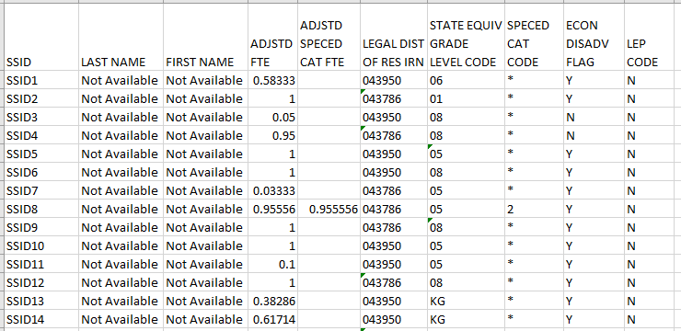
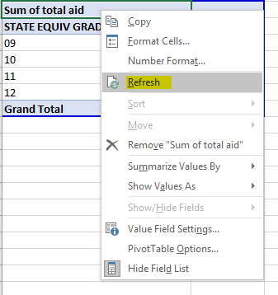
Directions for Using Funding Simulation Template for
Brick-and-Mortar and Blended Community Schools
The Ohio Department of Education’s Community School Funding SimulationTemplate assists community schools in determining the amount of funds the school generates per student record. This simulation should only be used by brick and mortar and blended community schools. As e-schools are not eligible for economic disadvantaged funding, targeted assistance funding, limited English proficiency funding, full facilities funding or K-3 literacy funding, they should use the template available here.
This simulation for brick and mortar and blended community schools calculates opportunity grant, economically disadvantaged funding, targeted assistance funding, limited English proficiency funding, facilities funding, special education funding and K-3 literacy funding. This simulation also allows schools to aggregate the data by funding component, grade level, individual student and district of residency. The school must use the data from its FTE Detail Report to populate the template.
Currently, this simulation does not use any career-technical education data; therefore, it will not include the career-technical education portion of the funding. The simulation also does not include transportation and report card data, and the graduation bonus and 3rd grade reading bonus is not included.
Please note, the simulation should be used for informational purposes only and is not a guarantee of funding. The funding the school receives is based on the data the school submits in EMIS. The simulation does not account for any deductions, transfers, adjustments or payments to the retirement system. Review the school’s statement of settlement for actual payment.
For more detailed descriptions of community school funding components, visit the Department’s website here.
To use the simulation, follow these steps:
Open the template file and click in cell A2 of the Simulation tab.
Run the FTE Detail Report. Delete all columns, except the 10 shown in the screenshot below.
Position your cursor in cell A2, and select and copy an area between columns A through J and all the rows of your records. Position your cursor in cell A2 in the Simulation tab and paste your selection. The template will calculate the amounts using a prewritten formula. You can review the totals by grade, district or student by moving through the tabs.
To update the data in the pivot tables, please follow these steps:
With your mouse, right click on the pivot chart.
Click on Refresh.
If you have additional questions, contact Chris Perin at Christopher.Perin@education.ohio.gov.

Total by Fund
Funding by Grant
Opportunity Grant | Special Education | K-3 Literacy | Facilities | Limited English Proficiency | Economic Disadvantaged | Targeted Assistance | Total
$- | $- | $- | $- | $- | $- | $- | $-

Total by Grade
Total by Grade Level
Sum of total aid
STATE EQUIV GRADE LEVEL CODE | Total
(blank) | $0.00
Grand Total | $0.00

Total by District
Total by Resident District
Row Labels | Sum of total aid
#N/A | $0.00
Grand Total | $0.00

